About

release:
13 October 2022
INFORM Climate Change Risk Index

OBJECTIVES AND PROCESS
INFORM Climate Change is a new INFORM product based on the INFORM Risk Index. It incorporates climate and socioeconomic projections to analyse how risk will change as a result of climate change under different emission and population scenarios.
INFORM Climate Change Risk Index is a result of collaboration between the Euro-Mediterranean Center on Climate Change and Joint Research Centre of European Commission.
The objective of INFORM Climate Change is to inform decision-making around the risk of climate-amplified hazards, as well as how increased risks could be offset by improved vulnerability and coping capacity.
INFORM Climate Change incorporates climate and socioeconomic projections into the methodology of the INFORM Risk Index. In initial phase, the modification affects only Hazard&Exposure dimension. Indices related to Vulnerability and Lack of coping capacity will not change to account for future socioeconomic expansion and climate-related impacts (fixed at INFORM Risk 2022 release scores).
The results are intended to inform policy choices across climate mitigation, climate adaptation, disaster risk reduction, sustainable development and humanitarian assistance.
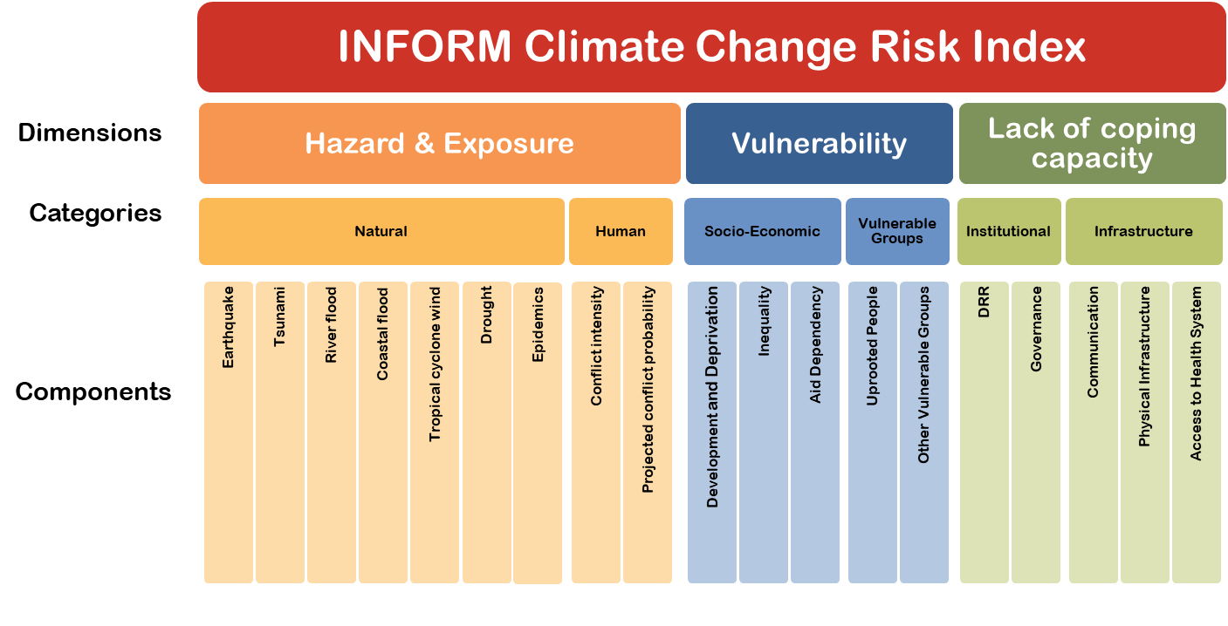
Licence Attribution 4.0 International (CC BY 4.0): https://creativecommons.org/licenses/by/4.0/legalcode Reuse is authorised, provided the source is acknowledged.
Citation INFORM Climate Change Risk Index. 2022. https://drmkc.jrc.ec.europa.eu/inform-index. INFORM is a collaboration of the Inter-Agency Standing Committee Reference Group on Risk, Early Warning and Preparedness and the European Commission. The European Commission Joint Research Centre is the scientific lead of INFORM.
Disclaimer The JRC data are provided "as is" and "as available" in conformity with the JRC Data Policy1 and the Commission Decision on reuse of Commission documents (2011/833/EU). Although the JRC guarantees its best effort in assuring quality when publishing these data, it provides them without any warranty of warranty of any kind, either express or implied, including, but not limited to, any implied warranty against infringement of third parties' property rights, or merchantability, integration, satisfactory quality and fitness for a particular purpose. The JRC has no obligation to provide technical support or remedies for the data. The JRC does not represent or warrant that the data will be error free or uninterrupted, or that all non-conformities can or will be corrected, or that any data are accurate or complete, or that they are of a satisfactory technical or scientific quality. The JRC or as the case may be the European Commission shall not be held liable for any direct or indirect, incidental, consequential or other damages, including but not limited to the loss of data, loss of profits, or any other financial loss arising from the use of the JRC data, or inability to use them, even if the JRC is notified of the possibility of such damages. The depiction and use of geographic names and related data included in lists, tables on this spreadsheet are not warranted to be error free nor do they necessarily imply official endorsement or acceptance by the European Union and the United Nations.
For further information:
https://drmkc.jrc.ec.europa.eu/inform-index

